BVTs
S no | Feature | BVT | Steps | Expected output | Chrome | Edge | Desktop | Chromium
1 | Basic chart | Display basic chart | 1. Drag 'ID' column in ID data field 2. Drag 'Parent ID' column in Parent ID data field 3. Drag 'Main Label' column in Main Label data field | Visual should be rendered | 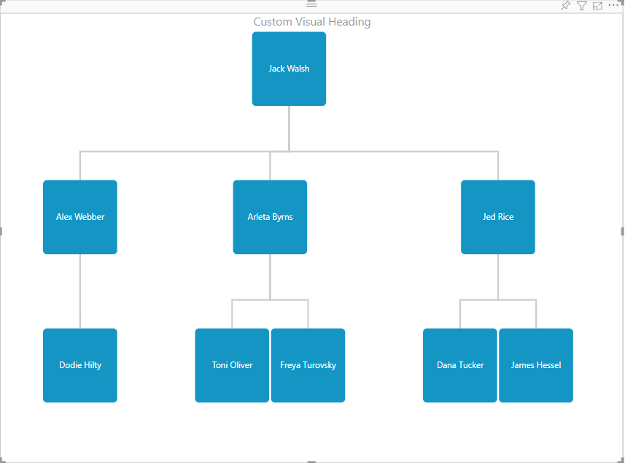 |  | 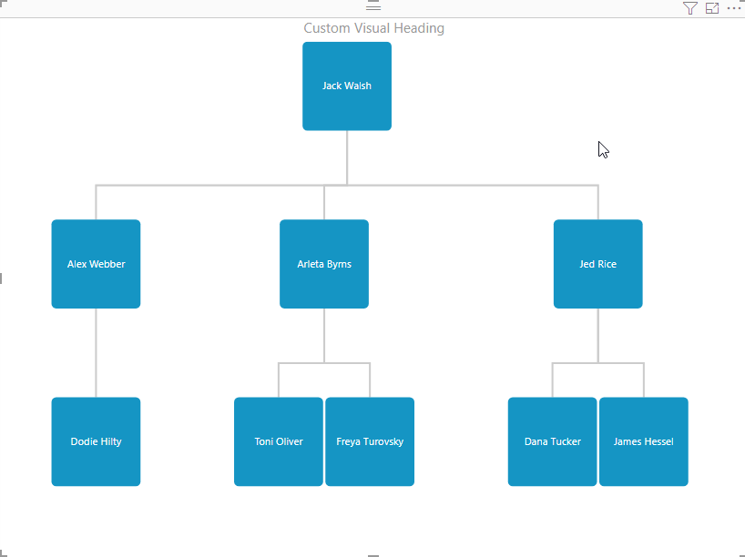 | 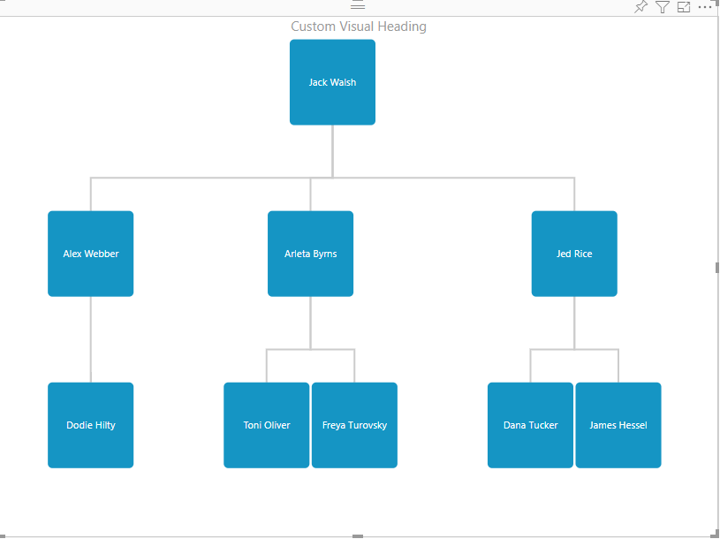
2 | Chart with sublabel | Display visual with sublabel of chart | 1. Drag 'Sublabel' column in SubLabel data field | Visual should be rendered displaying chart with sublabel | 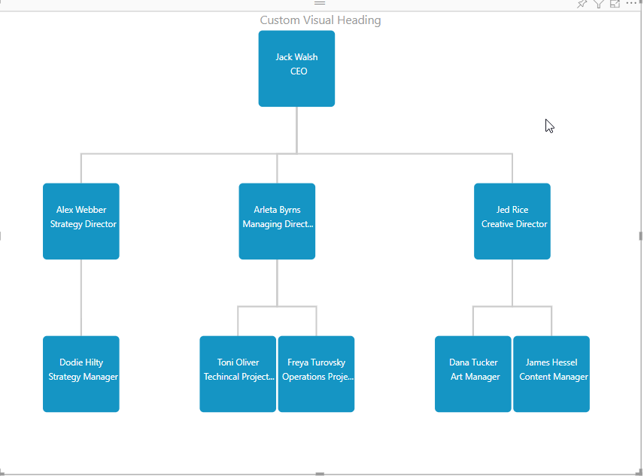 | 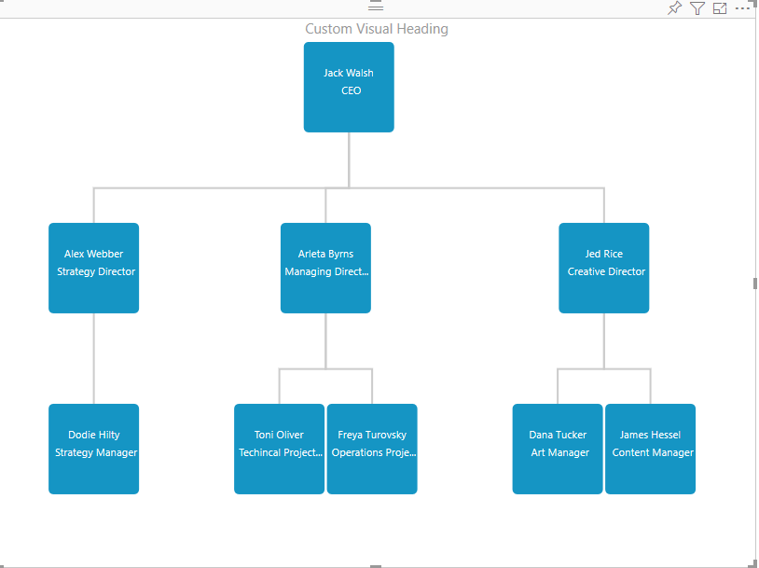 |  | 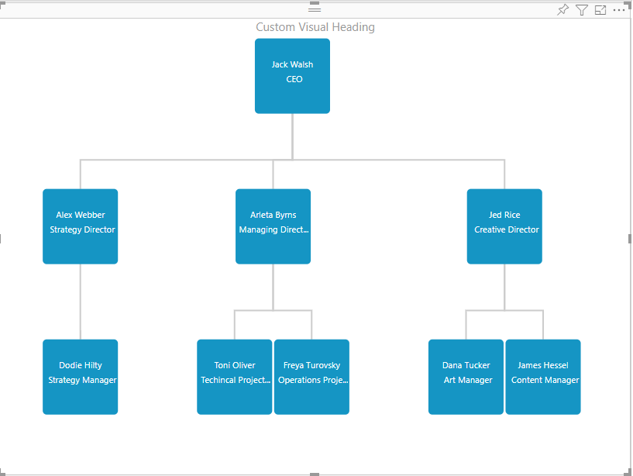
3 | Chart with Group | Display visual with different groups of chart | 1. Drag 'Group' column in Group data field | Visual should be rendered based on different groups, legend will appear with different color of groups | 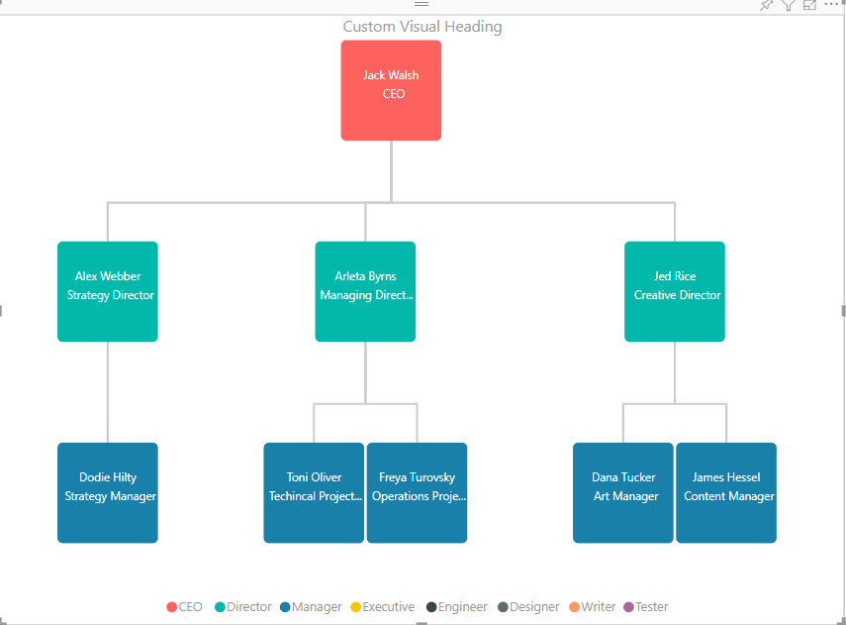 | 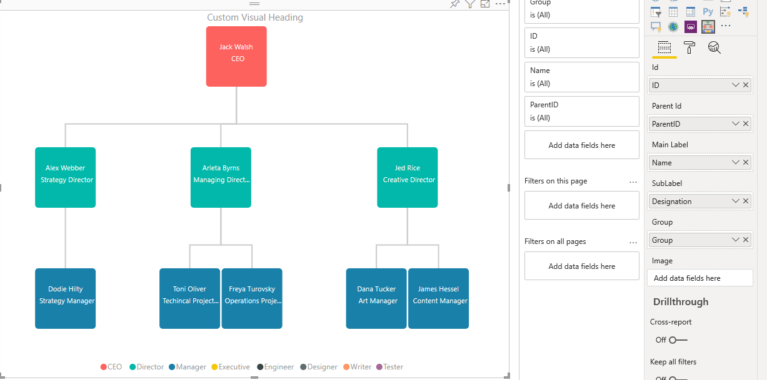 | 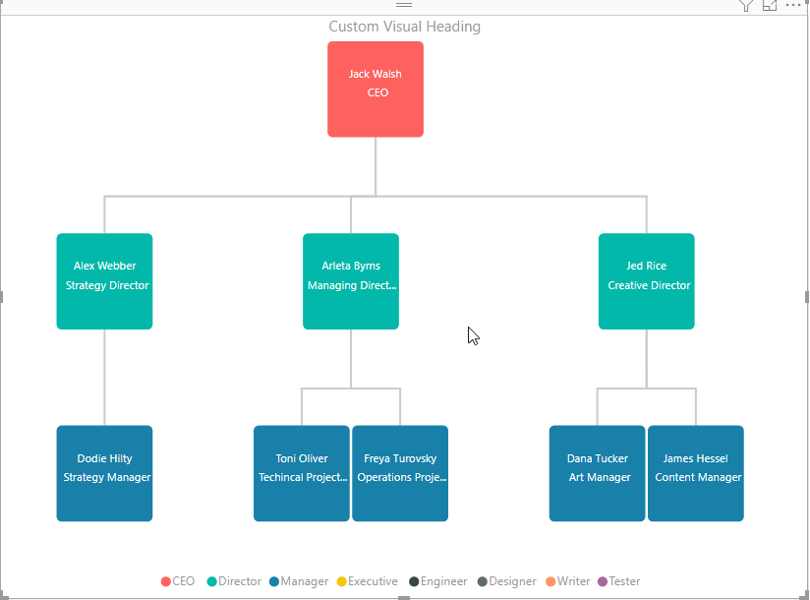 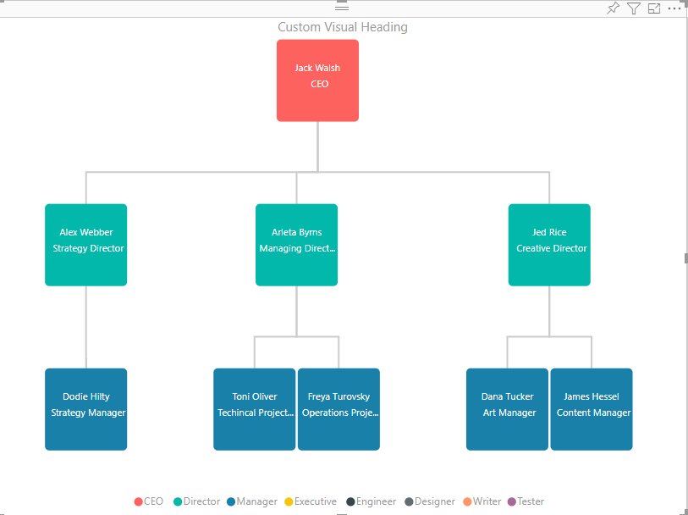
4 | Chart with Images | Display visual with different images of chart | 1. Drag 'Image Data' column in Image data field | Visual should be rendered with different images of chart | 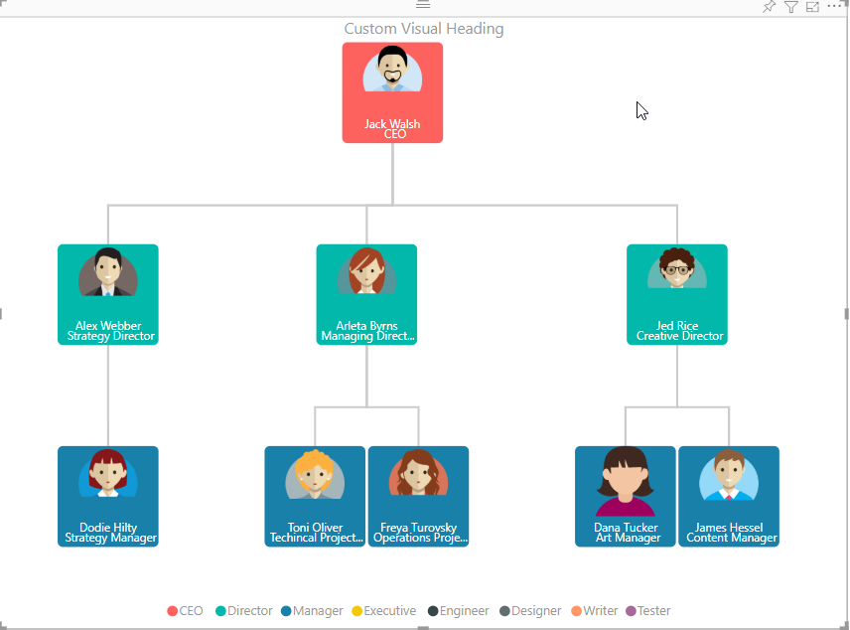 |  | 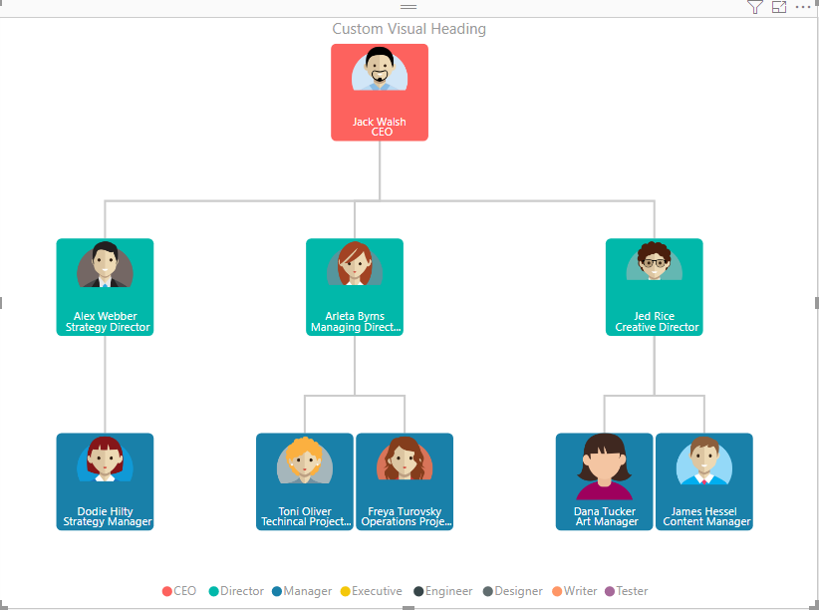 | 
5 | Link Settings | Update View (Modern), color and width of link | 1. Go to formatting pane 2. Go to Link settings 3. Update View to 'Modern' 4. Update color to 'Blue' and width to '5' | 1. Visual should be updated according to 'Modern' view 2. Color of the link should be changed to 'Blue' and width should be updated to '5' |  | 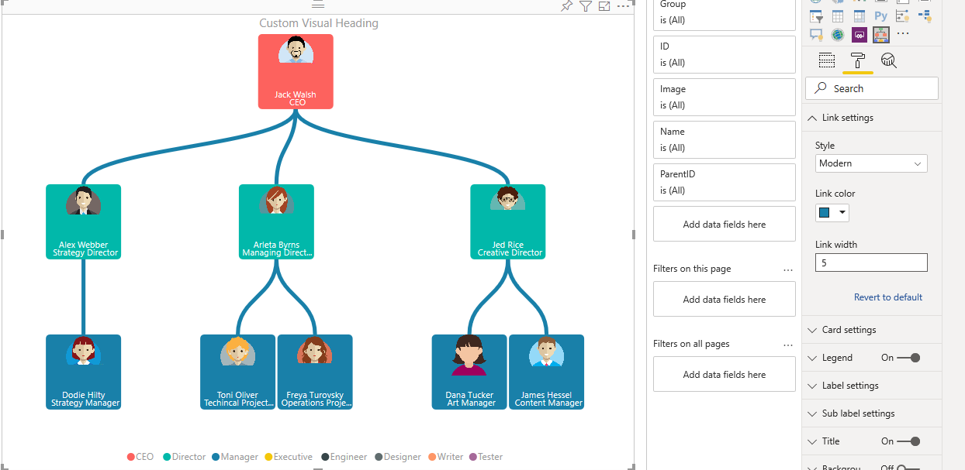 | 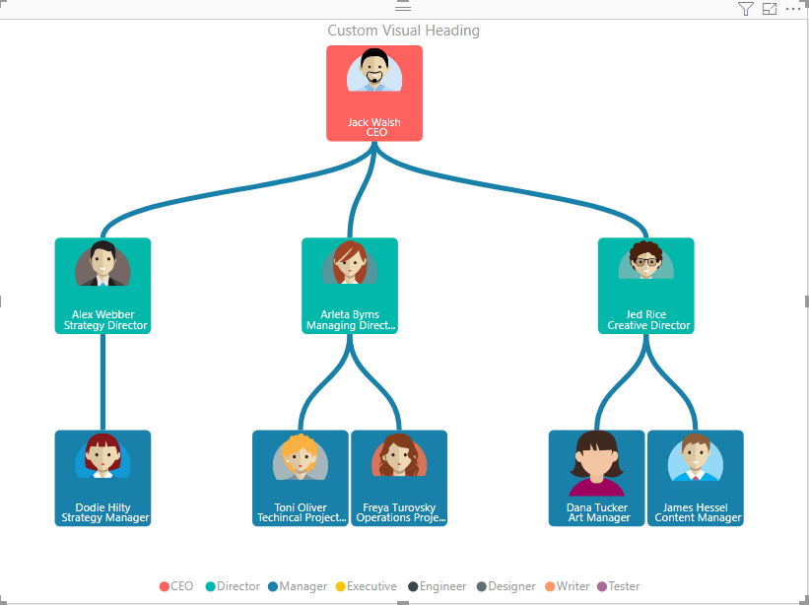 | 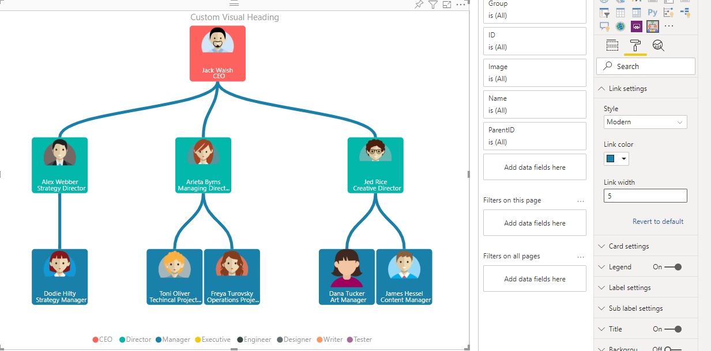
 |  | Update View (Classic), color and width of link | 1. Go to formatting pane 2. Go to Link settings 3. Update View to 'Classic' 4. Update color to 'Blue' and width to '5' | 1. Visual should be updated according to 'Classic' view 2. Color of the link should be changed to 'Blue' and width should be updated to '5' |  |  |  | 
6 | Card Settings | Update Card dimension | 1. Go to formatting pane 2. Go to Card settings 3. Update 'Card dimension' | 1. Visual should be updated acccording to dimension if viewPort contains available dimension | 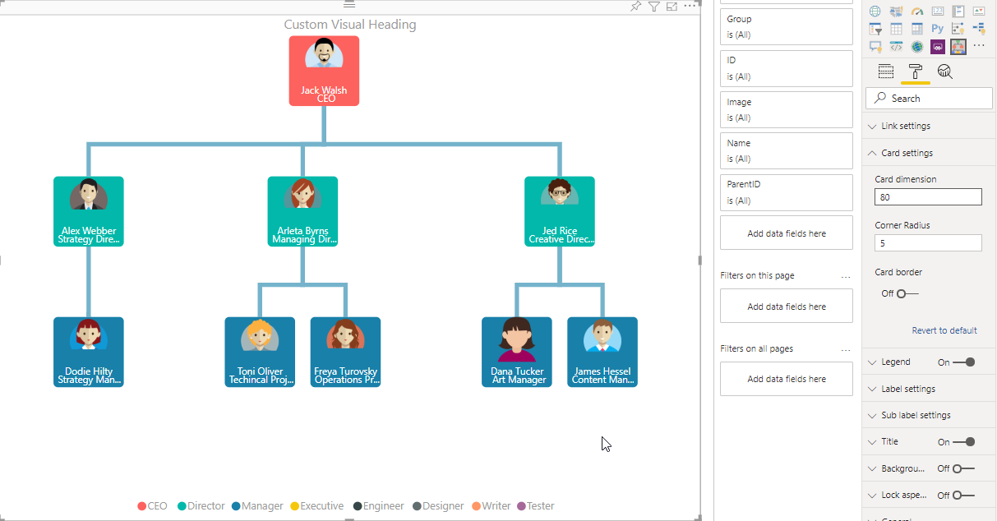 | 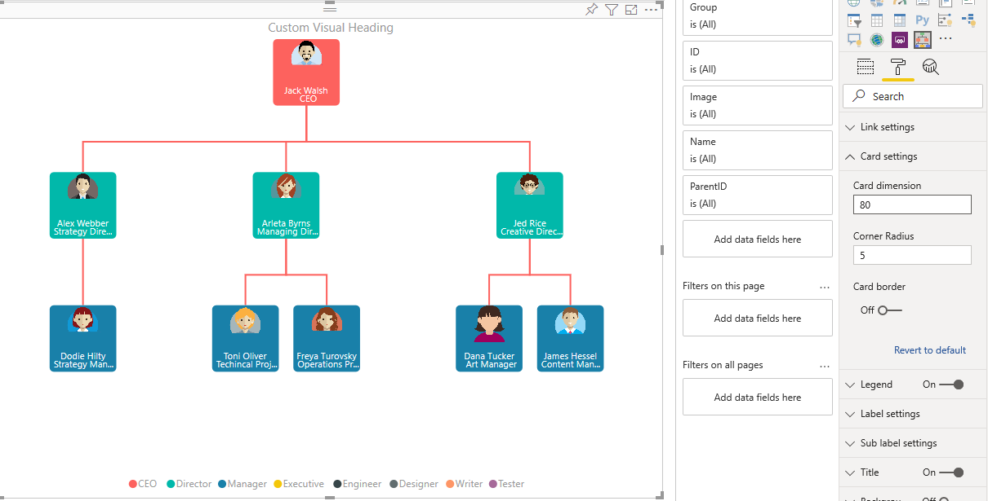 | 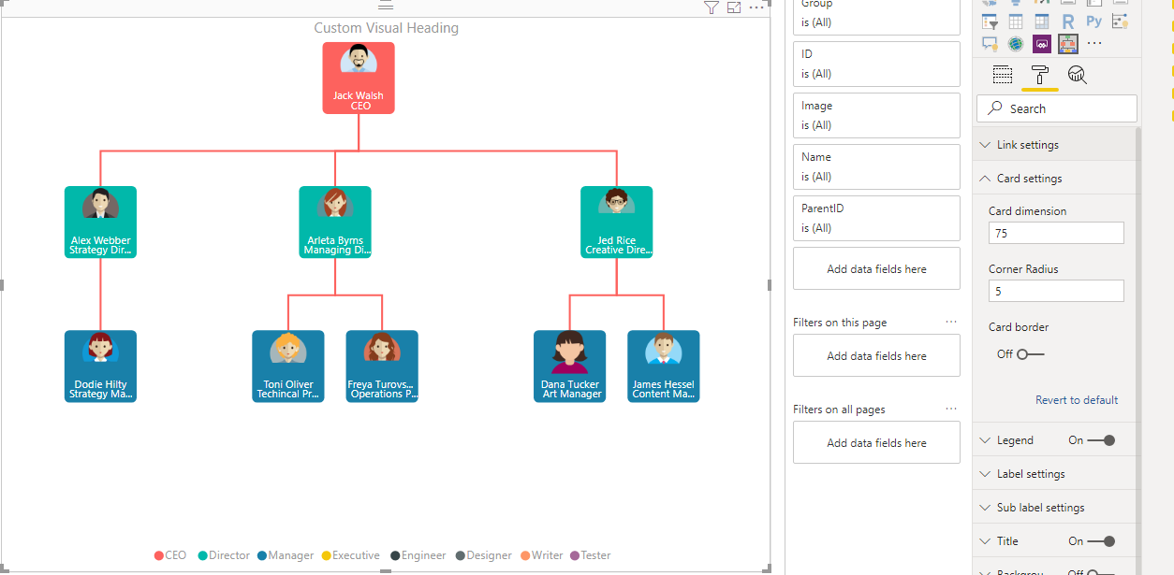 | 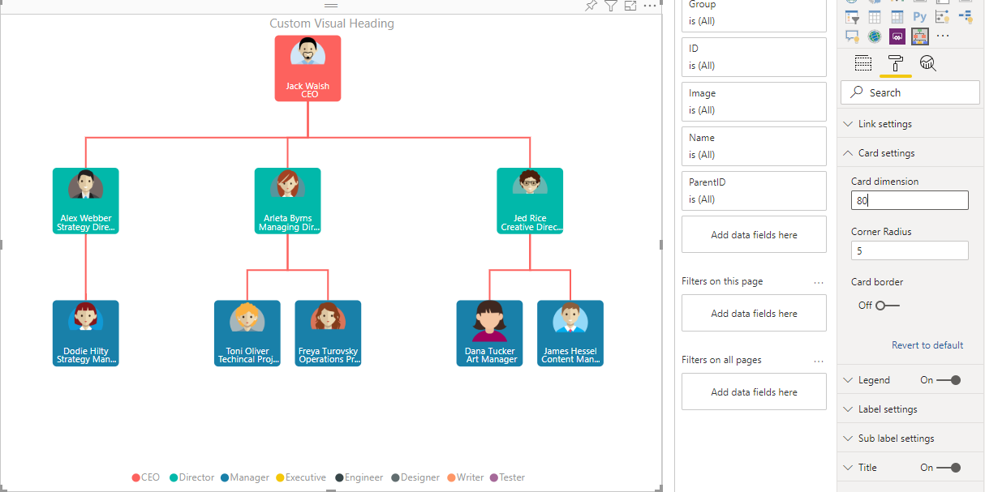
 |  | Update Corner radius | 1. Go to formatting pane 2. Go to Card settings 3. Update 'Corner Radius' | Card color should be updated according to corner radius between 1 to 10 |  |  | 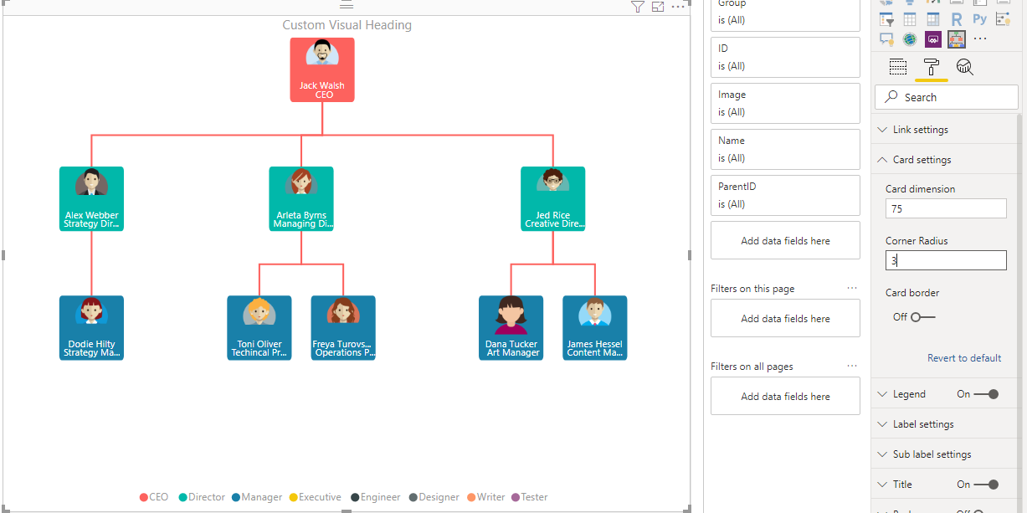 | 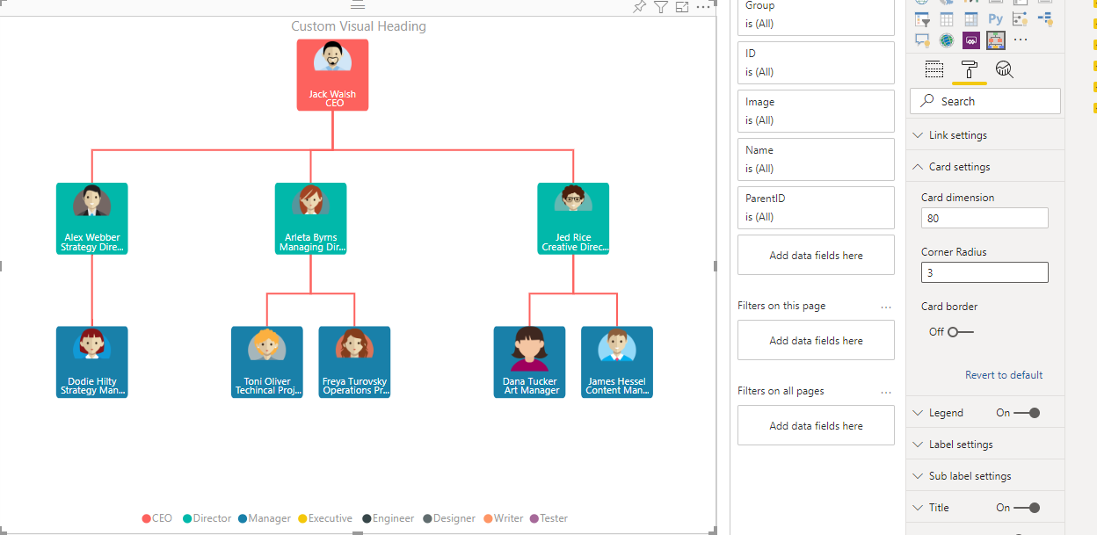
 |  | Update background color (if no column dragged in group data field) | 1. Go to formatting pane 2. Go to Card settings 3. Update 'Background color' | Card should be updated according to background color | 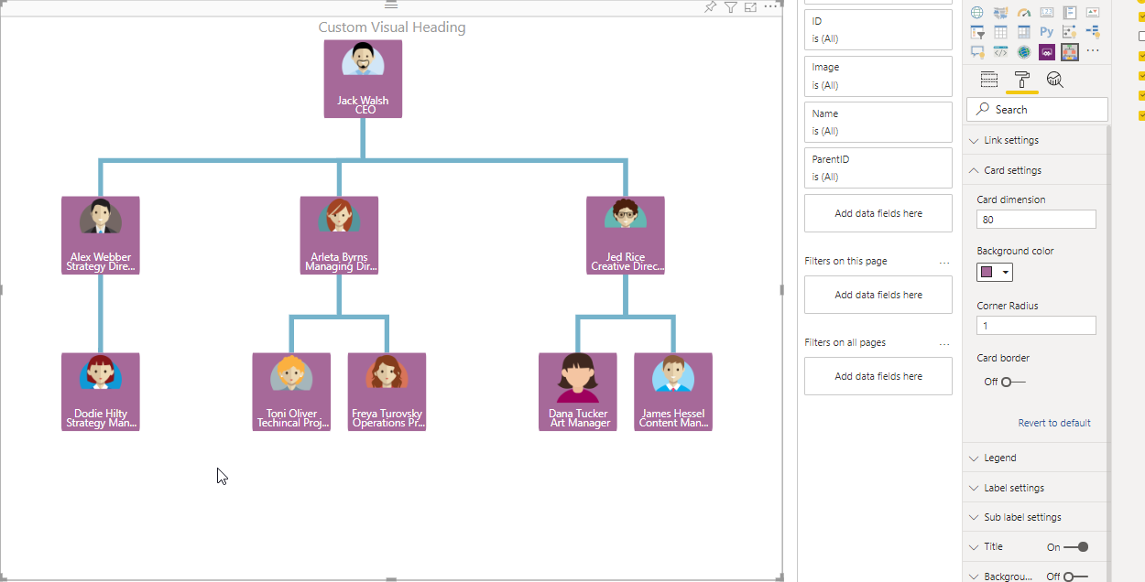 | 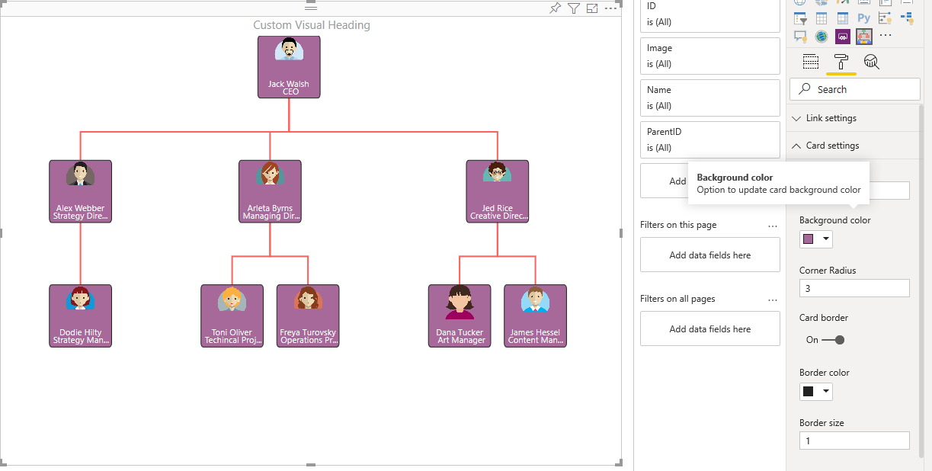 | 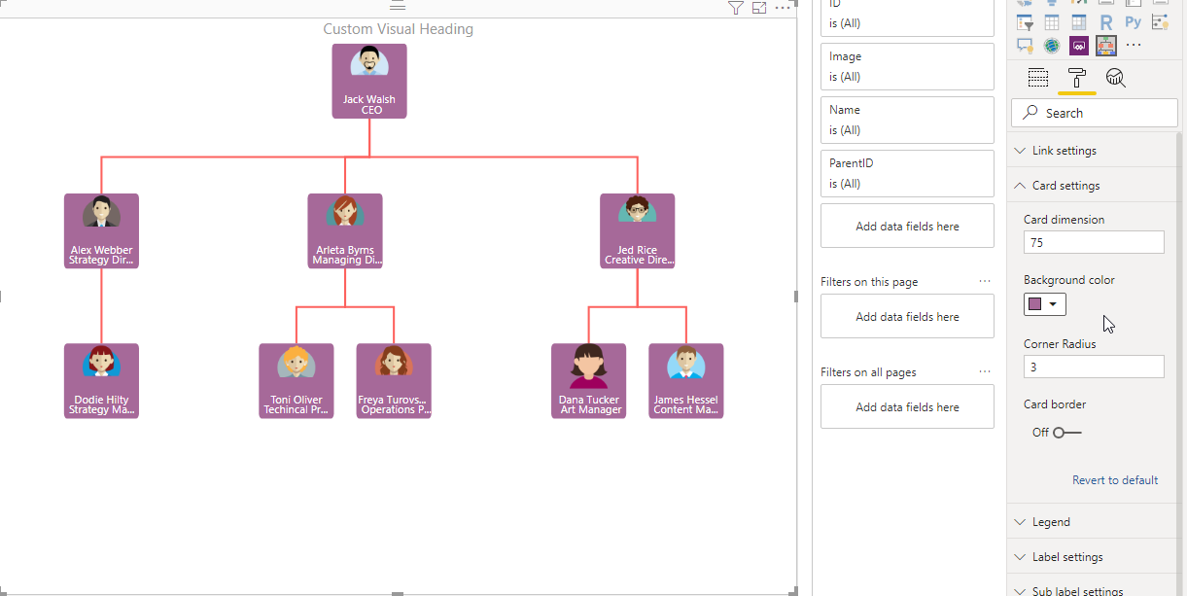 | 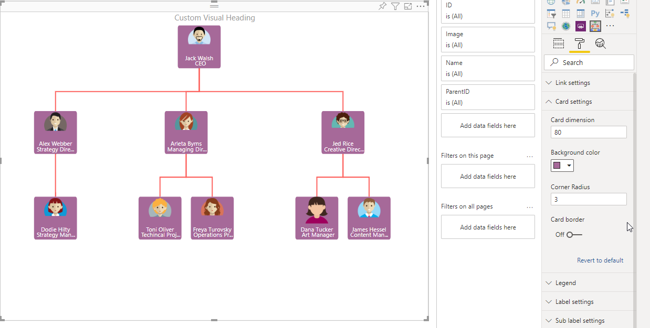
 |  | Toggle 'ON/OFF' Card border, border color and border size | 1. Go to formatting pane 2. Border toggle = 'ON' 3. Update border color to 'Red' and border size to '3' | Border should be updated according to color and size | 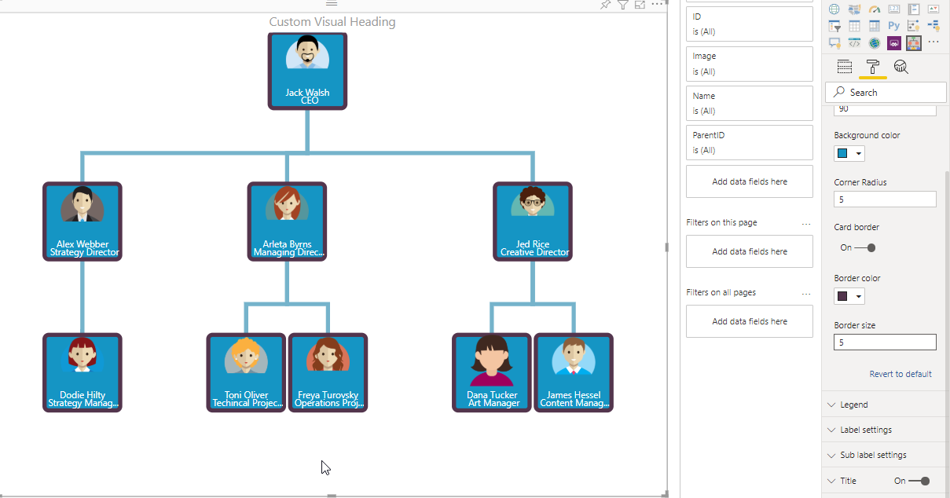 | 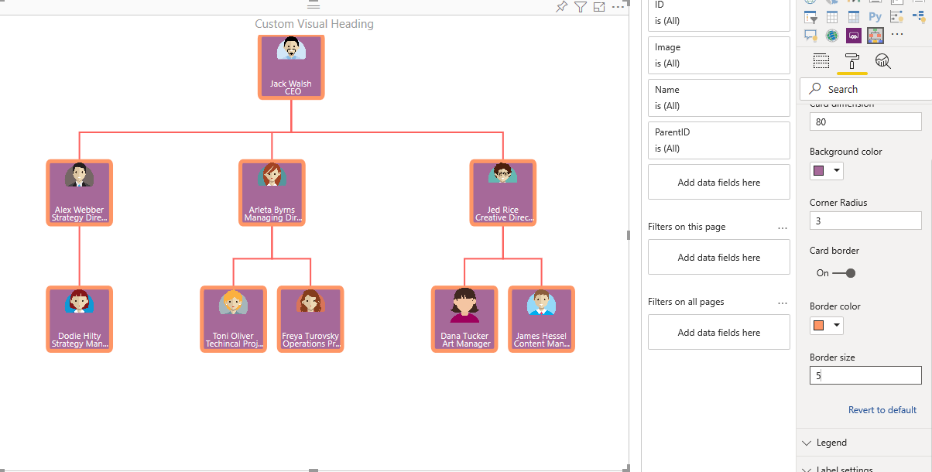 | 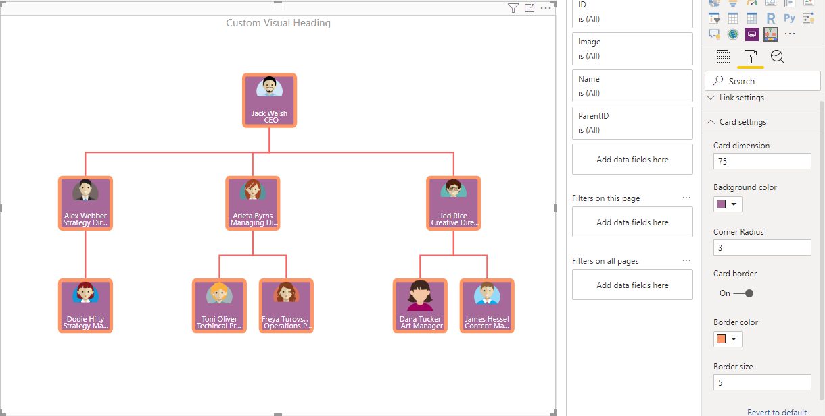 | 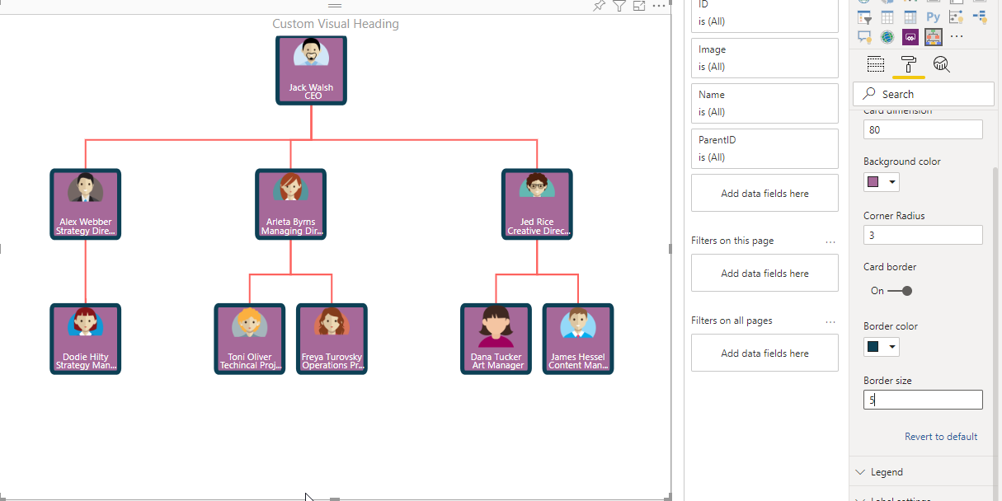
7 | Legend | Toggle 'ON/OFF' legend, title 'ON/OFF' , update legend title | 1. Go to formatting pane 2. Go to Legend, toggle = 'ON' 3. Legend title Toggle = 'ON' , change Legend title = 'Group Task' | Legend should be updated according to title | 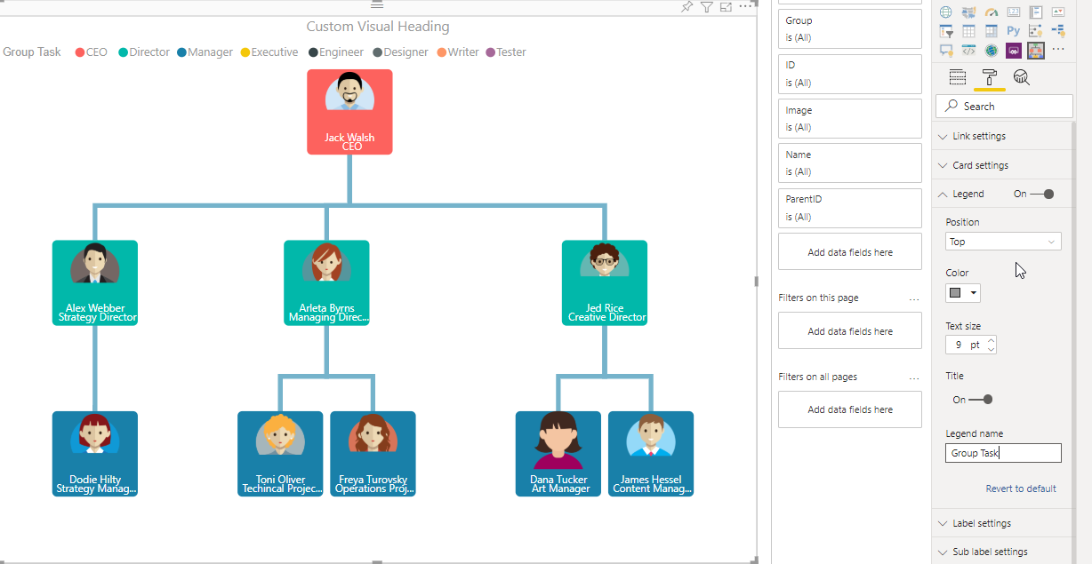 | 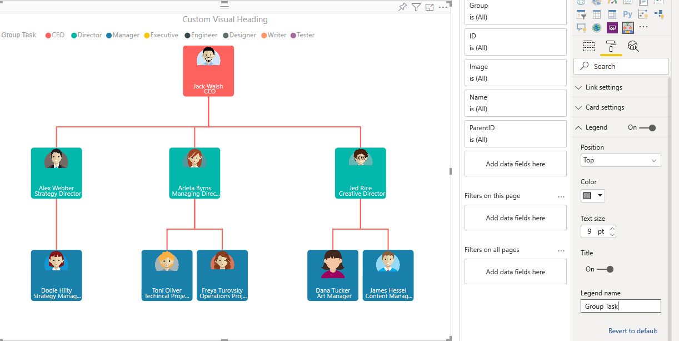 |  | 
 |  | Update Position of Legend, color and text size | 1. Go to formatting pane 2. Go to Legend settings and change position to 'Bottom' 3. Change color to 'Red' and text size to 15 | Legend should be visible at bottom, text color of Legend to be 'Red' and text size to be '15' | 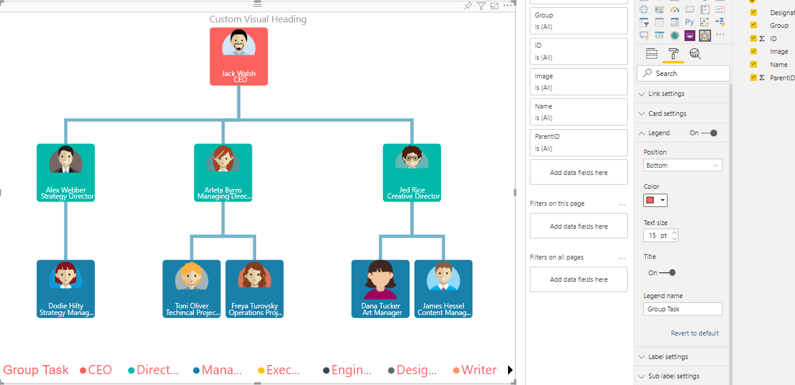 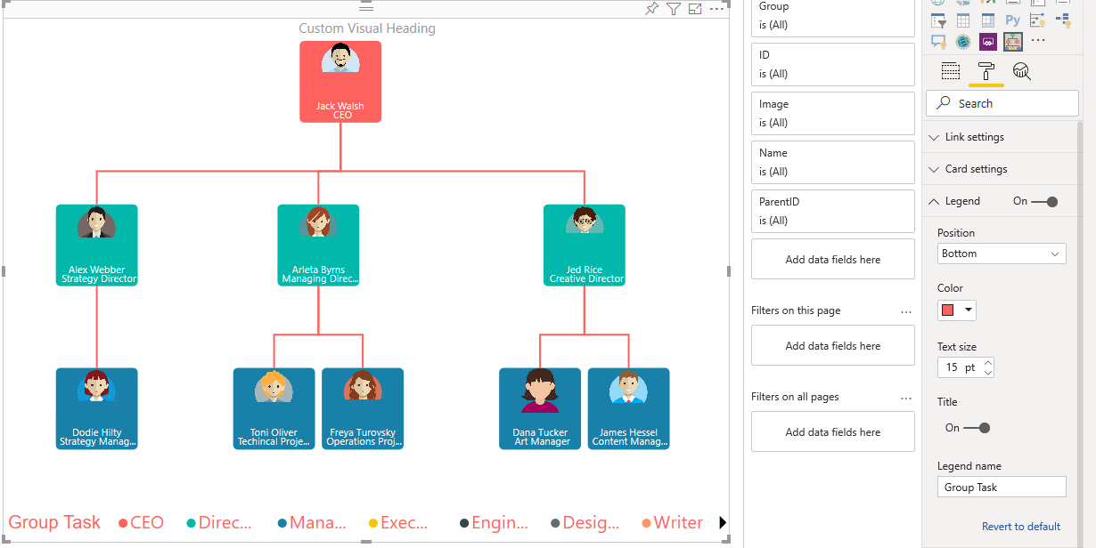 |  |  | 
8 | Label Settings | Update font-size, font-family and font-color of label | 1. Go to formatting pane 2. Go to Label settings 3. Update Font Size to '15', Font Family to 'Arial Black' and 'Font-color' to 'Blue' | Label should be updated according to configuration |  | 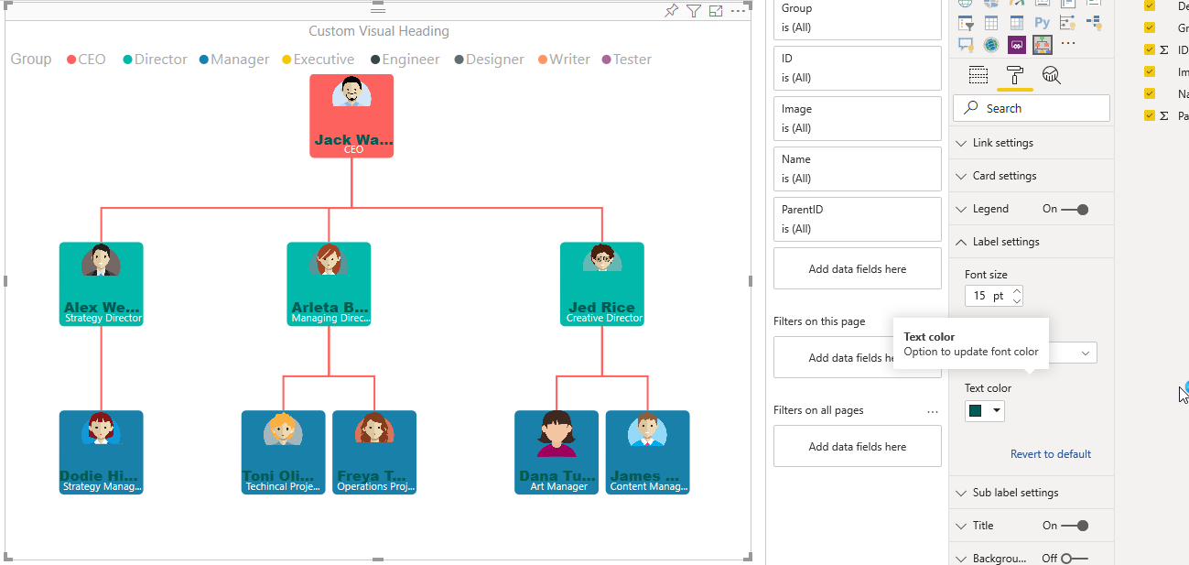 | 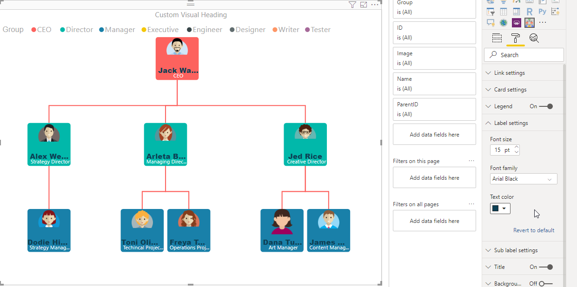 
9 | Sub-label Settings | Update font-size, font-family and font-color of sub-label | 1. Go to formatting pane 2. Go to SubLabel settings 3. Update Font Size to '15', Font Family to 'Arial Black' and 'Font-color' to 'Blue' | Sub-label should be updated according to configuration |  |  | 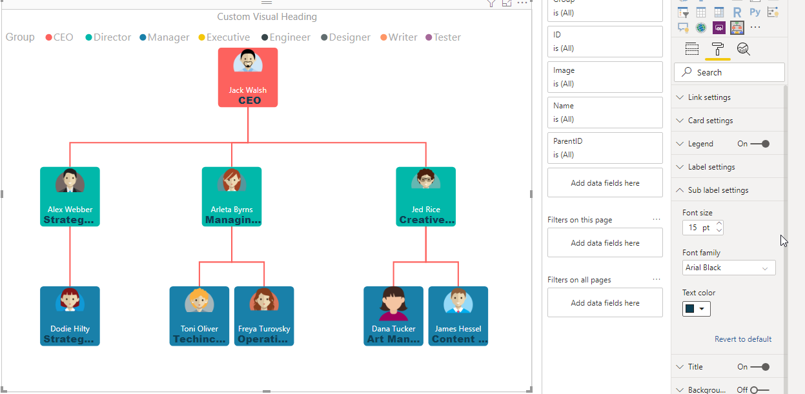 | 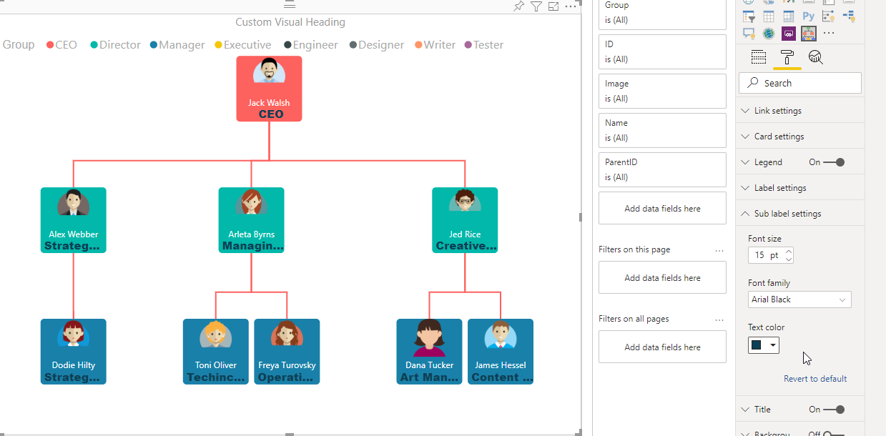
10 | Error Message | Update visual with less mandatory fields than required | 1. Drag 'ID' column to ID data label field | "Select appropriate 'Id', 'Parent Id', 'Main Label' respectively" error message should be displayed | 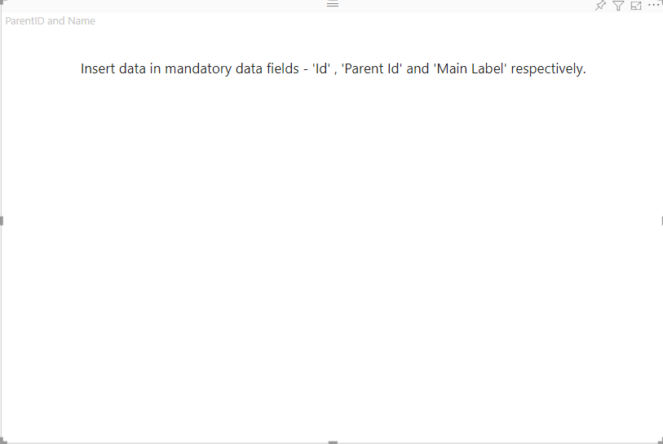 | 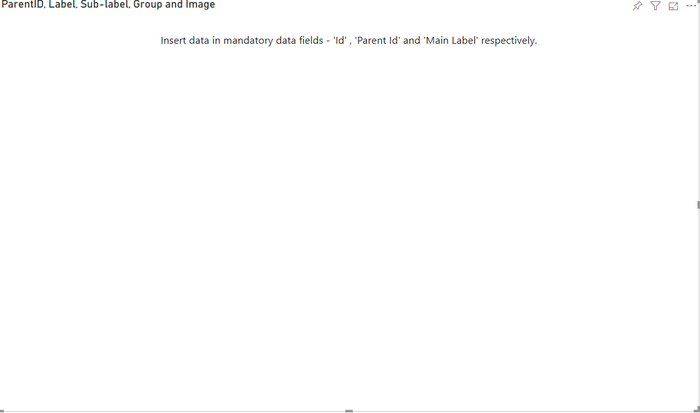 |  | 
11 | Click Functionality | Child should be collapsed/expanded on click | 1. Double click on any of the chart | Child of that particular chart should be collapsed (if expanded) and vice-versa | 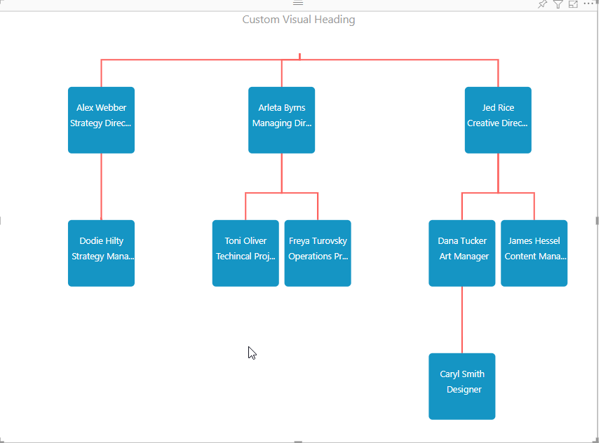 | 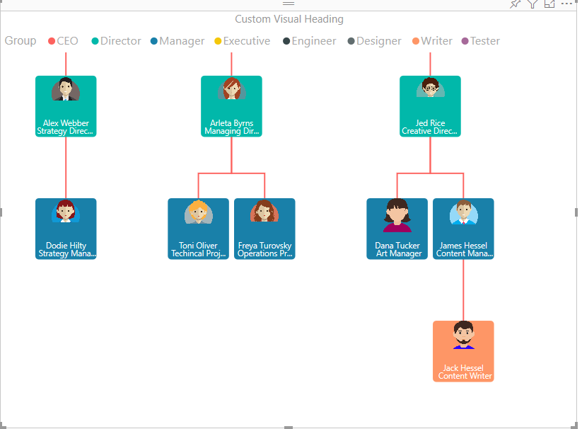 | 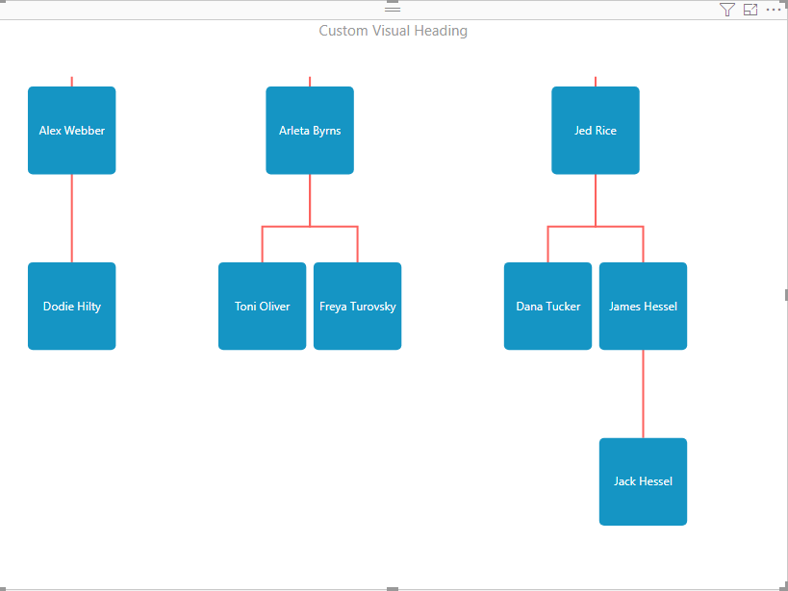 | 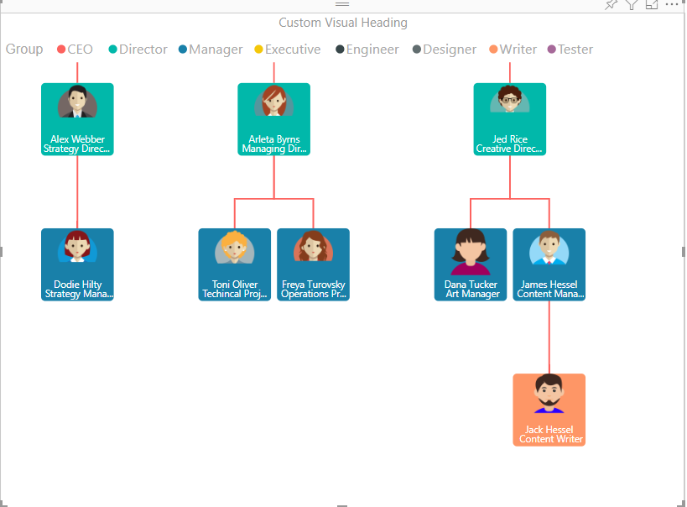
12 | Ctrl + Click functionality | 1. When children are collapsed, the clicked node will become the root of the tree & expand its children if any. 2. When children are expanded, they’ll collapse in & root of the tree will change to the parent of the clicked node if exists. | 1. Ctril + 'Click' on any of the chart | Clicked node will become the root of the tree and expand its children if any (when children collapsed) and clicked node will collpase in and root of the tree will change to the parent of the clicked node if exists (when children expanded) | 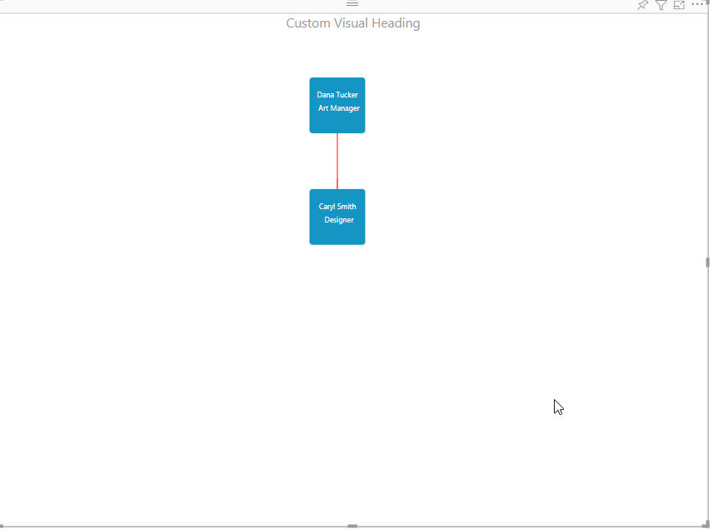 | 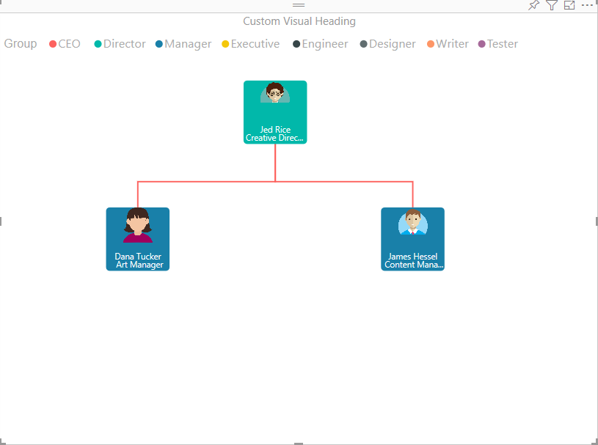 | 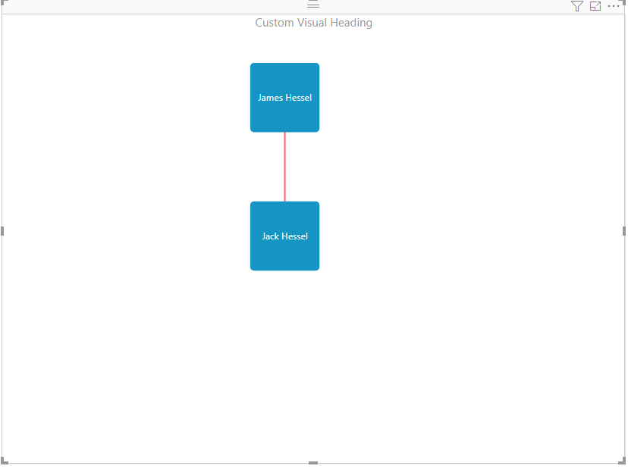 | 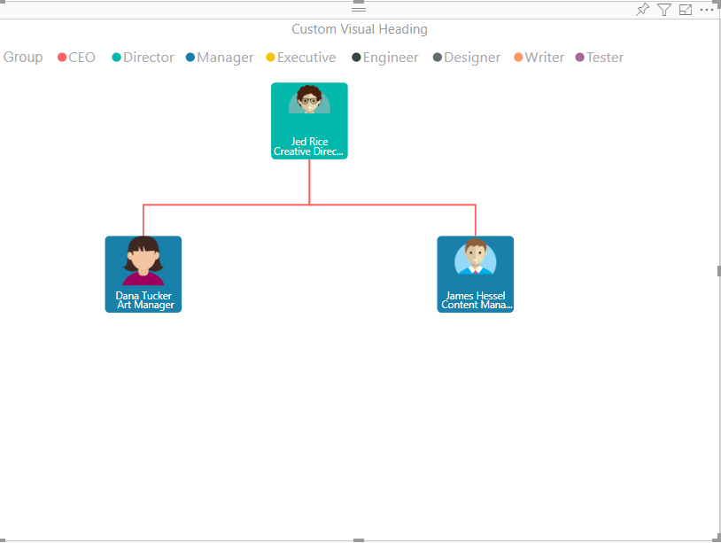
13 | Tooltip | Tooltip should be displayed on hover | 1. Hover on any of the chart | Tooltip should be displayed with correct information of the chart | 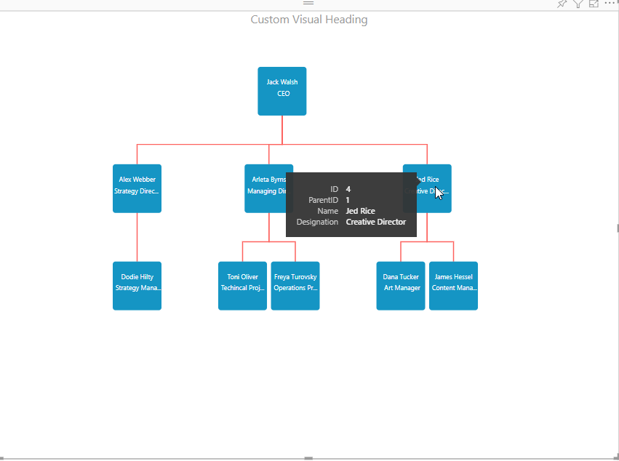 | 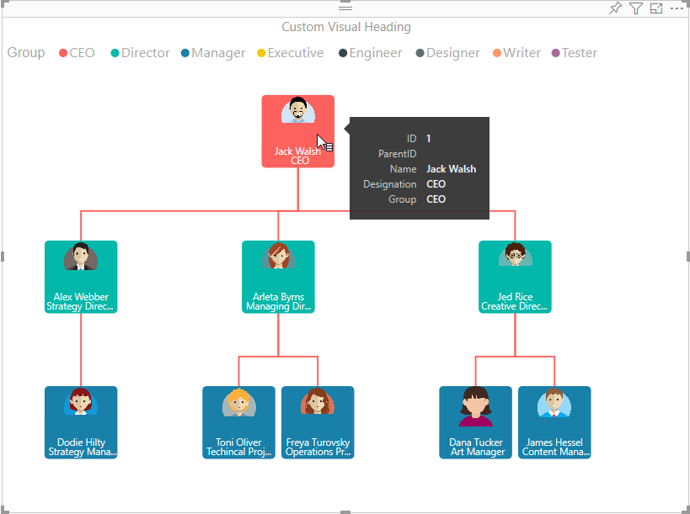 | 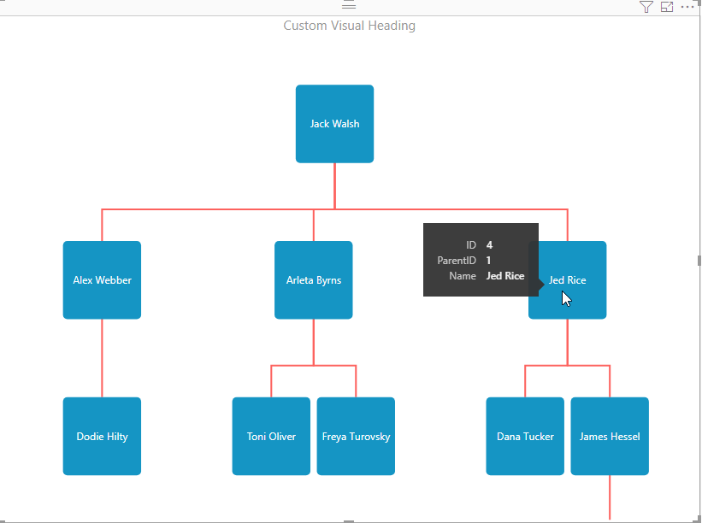 | 
14 | Zoom functionality | Zoom in and out the visual with mouse | Scroll the mouse wheel to zoom in and zoom out | Visual should be displayed according to update |  |  |  | 
15 | Drag functionality | Visual should be draggable according to the view port | Drag the visual from one place to another | Visual should be dragged from one place to another |  |  |  | 
16 | Responsiveness | Visual should be responsive | Change the width and height of the visual | Visual should be responsive while changing the height and width |  |  |  | 

